Param
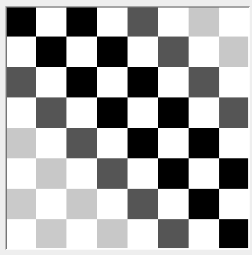
PARAMETROS PARA PRUEBAS
Cruce | Genes a mutar | Poblaciones posibles | % mutacion p/ individuo | Parada
Cuartos | 5% - 25% | 512 | 15 | 1000 generaciones
 |  | 1024 | 25 | 3000 generaciones
 |  | 2048 | 35 | 5000 generaciones
 |  |  |  | 15 min a 100 de aptitud

8x8 |  |  |  |  | 16x16 | 32x32

